QS Motor Cables
QS MOTOR LTD
2555 Shugang Ave, Luqiao, Taizhou 318057, Zhejiang, China
Phone: +86-188-0166-2699 Email: sales@qsmotor.com

Motor has 3 Phase Cables and 2 sets Hall Sensor Plugs
3 Phase Cables | 2 Sets Hall Sensor Plugs
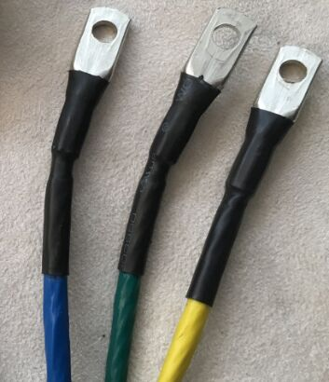 | 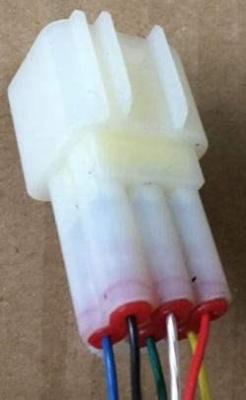 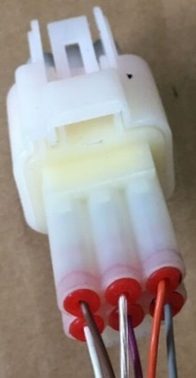
Motor Phase Cable
Motor's YELLOW Cable (big cable), A, U phase.
Motor's GREEN Cable (big cable), B, V phase.
Motor's BLUE Cable (big cable), C, W phase.

The Hall Sensor Plug Set 1.
The Hall Sensor's YELLOW Cable (small cable, hall A). |  | grau/gelb
The Hall Sensor's GREEN Cable (small cable, hall B). |  | grau/blau
The Hall Sensor's BLUE Cable (small cable, hall C). |  | grau/rot
The Hall Sensor’s RED Cable (small cable, +5V DC). |  | rot
The Hall Sensor’s BLACK Cable (small cable, GND). |  | braun
The Hall Sensor’s Transparent/Crystal Cable (Temperature Sensor). |  | blau

The Hall Sensor Plug Set 2.
The Hall Sensor's GRAY Cable (small cable, hall A).
The Hall Sensor's PURPLE Cable (small cable, hall B).
The Hall Sensor's WHITE Cable (small cable, hall C).
The Hall Sensor’s ORANGE Cable (small cable, +5V DC).
The Hall Sensor’s BROWN Cable (small cable, GND).
The Hall Sensor’s Transparent/Crystal Cable or Pink Color (Temperature Sensor).

Important Notice.
1. The function of 2 sets hall sensors are same. We use 1 set Hall Sensor Plug and the other 1 set for backup. Please note never try to connect 2 set hall sensor plugs to controller at same time.
2. Please change the hall plug of controller if the hall plugs do not match with motor. The static electricity may damage the hall sensor of motor if you change the plug of motor.

